LEADERBOARD
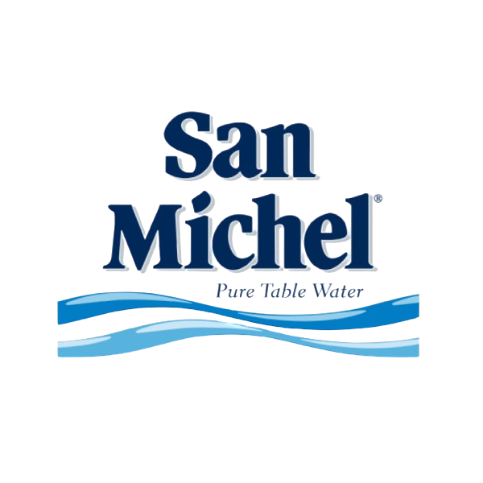 | SAN MICHEL TEAM TOURNAMENT 2025

 | STANDING | TEAM | POINTS
 | 1st | CASSAR CLINT | 53
 | 2nd | RICCI JUDITH | 45
 | 3rd | DEBONO DIANE | 41
 | 4th | BALDACCHINO ISAAC | 38
 | 5th | XUEREB CHRISTIAN | 36
 | 6th | BONETT CHRISTINA | 27

 |  |  |  | $$+$+$$$ $

